1. Title Page
Grocery Basket Analysis

Project Name: Grocery Basket Analysis
Date: March 2024
Analyst Name: Giada Griso

Contents:
Population Flow
Consistency checks
Wrangling steps
Column derivations
Visualizations
Recommendations
Data citation
Project brief link

2. Population Flow
Title page

Population flow

Exclusion flag
Condition: max_order < 5
Obervations to be removed: 7,989,982
Final total count of order_products_all: 24,414,877

Inner join with user_id as the common key
Inner join with product_id as the common key
Inner join with order_id as the common key

Orders_products_combined
Orders_products_merged
Orders_products_all

Total: 32,404,859
Total: 32,434,489
Total: 24,414,877

3. Consistency checks
 |  |  |  | Title page
Consistency checks

Dataset | Missing values | Missing values treatment | Duplicates
orders | 206,209 missing values in the 'days_since_prior_order' column. Same frequency as order_number=1. | Missing values reveal important information about customers who just made their first order, therefore they should not be dropped. Created a new column 'first_order' in df_ords to flag the new orders (True or False). | No duplicates found.
products | 16 missing values in the 'product_names' column. | Moved all non-missing observations to "df_prods_clean" dataframe. | 5 duplicated rows found. Moved all the non-duplicated values to df_prods_clean_no_dups dataframe.
ords_prods_merge | 5,127 missing values in the 'prices' column (5,127 rows with outliers observations - prices greater than 100$ - turned into NaNs). | No further action required. | No duplicates found.
customers | 11,259 missing values in the 'first_name' column. | No action required, since the missing values will not affect the analysis. | No duplicates found.

4. Wrangling steps
 |  |  |  | Title page
Wrangling steps

Columns dropped | Columns renamed | Columns' type changed | Comment/Reason
df_ords['eval_set'] |  |  | No need for this analysis´s purpose
 | df_ords['orders_dow'] --> df_ords['orders_day_of_week'] |  | Easier to understand
 |  | df_ords['order_id'] changed to string | Avoid treating as integer during analysis
 |  | df_ords['user_id'] changed to string | Avoid treating as integer during analysis
 | df_customer[First Name] --> df_customer['first_name'] |  | Decapitalizing the first letter for column name consistency
 | df_customer[Surnam] --> df_customer['last_name'] |  | Decapitalizing the first letter for column name consistency
 | df_customer[Gender] --> df_customer['gender'] |  | Decapitalizing the first letter for column name consistency
 | df_customer[STATE] --> df_customer['state'] |  | Decapitalizing the first letter for column name consistency
 | df_customer[Age] --> df_customer['age'] |  | Decapitalizing the first letter for column name consistency
 | df_customer[n_dependants] --> df_customer['no_of_dependants'] |  | Easier to understand
 | df_customer[fam_status] --> df_customer['family_status'] |  | Easier to understand
 |  | df_customer['user_id'] changed to string | Avoid treating as integer during analysis + merging purposes with ords_prods_merge

5. Column derivations
 |  |  |  | Title page

Column derivations and aggregations

In this tab you should add tables below that the frequences of flags/label variables that you produced after deriving them. NB: don't do this for continuous variables, only for flags.
Dataset | New column | Column/s it was derived from | Conditions
orders_products_combined.pkl | _merge | Flag column | df_merged_large = df_ords.merge(df_ords_prior, on = 'order_id', indicator = True)
ords_prods_merge.pkl | _merge | Flag column | df_ords_prods_merge = df_prods.merge(df_ords_prods_combined, on = 'product_id', indicator = True)
ords_prods_merge.pkl | price_range_loc | prices | Products are classified into high-, middle- and low-range according to price as follows: high-range > 15$; middle-range between 5$ and 15$; low-range < 5$
ords_prods_merge.pkl | Busiest days | busiest_day | The two busiest days of the week (Sat and Sun) as opposed to the two least busy days (Tue and Wed).
ords_prods_merge.pkl | busiest_period_of_day | order_hour_of_day | result_time' list created with the followig conditions, based on the descriptive statistics of 'order_hour_of_day' column: values between 8 and 16 are considered 'Most orders' values between 1 to 7 considered 'Fewest orders' the rest of the values are considered 'Average orders'
ords_prods_merge.pkl | max_order | newly created to generate maximum number of orders for each user | ords_prods_merge['max_order'] = ords_prods_merge.groupby(['user_id'])['order_number'].transform('max')
ords_prods_merge.pkl | loyalty_flag | max_order | Loyalty flag assigns a loyalty label to a user_id based on its corresponding max_order value: ords_prods_merge.loc[ords_prods_merge['max_order'] > 40, 'loyalty_flag'] = 'Loyal customer'; ords_prods_merge.loc[(ords_prods_merge['max_order'] <= 40) & (ords_prods_merge['max_order'] > 10), 'loyalty_flag'] = 'Regular customer'; ords_prods_merge.loc[ords_prods_merge['max_order'] <= 10, 'loyalty_flag'] = 'New customer'
ords_prods_merge.pkl | average_product_price | newly created to generate average price across all products purchased by each user | ords_prods_merge['average_product_price'] = ords_prods_merge.groupby(['user_id'])['prices'].transform('mean')
ords_prods_merge.pkl | spending_flag | average_product_price | Spending flag assigns a spending behaviour label to a user_id based on ist corresponding average_product_price value: ords_prods_merge.loc[ords_prods_merge['average_product_price'] >= 10, 'spending_flag'] = 'High spender'; ords_prods_merge.loc[ords_prods_merge['average_product_price'] < 10, 'spending_flag'] = 'Low spender'
ords_prods_merge.pkl | median_days_between_orders | newly created to generate median number of days between orders for each user | ords_prods_merge['median_days_between_orders'] = ords_prods_merge.groupby(['user_id'])['days_since_prior_order'].transform('median')
ords_prods_merge.pkl | frequency_flag | median_days_between_orders | Frequency flag assigns a order frequency label to a user_id based on ist corresponding median_days_between_orders value: ords_prods_merge.loc[ords_prods_merge['median_days_between_orders'] > 20, 'frequency_flag'] = 'Non-frequent customer'; ords_prods_merge.loc[(ords_prods_merge['median_days_between_orders'] <= 20) & (ords_prods_merge['median_days_between_orders'] > 10) , 'frequency_flag'] = 'Regular customer'; ords_prods_merge.loc[ords_prods_merge['median_days_between_orders'] <= 10, 'frequency_flag'] = 'Frequent customer'
ords_prods_all.pkl | region | state | https://simple.wikipedia.org/wiki/List_of_regions_of_the_United_States
ords_prods_all.pkl | customer_activity | order_number | df.loc[df['order_number'] < 5, 'customer_activity'] = 'low_activity customers' df.loc[df['order_number'] >= 5, 'customer_activity'] = 'high_activity customer'

6. Visualizations
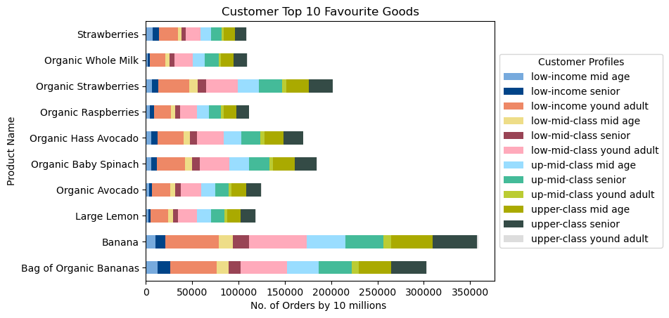
 |  |  |  |  | Title page

Visualisations

 | Key Question 1 |  | What the busiest days of the week and hours of the day are
 | Commentary: Most orders are placed on 0 = Saturdays and 1 = Sundays, between 9 am and 4 pm, with a peak of sales at 10 am. The least orders are placed between 12 am and 5 am.¶

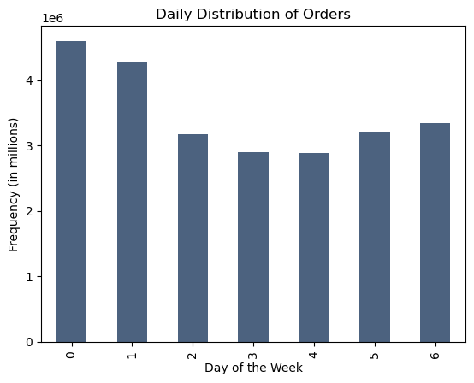
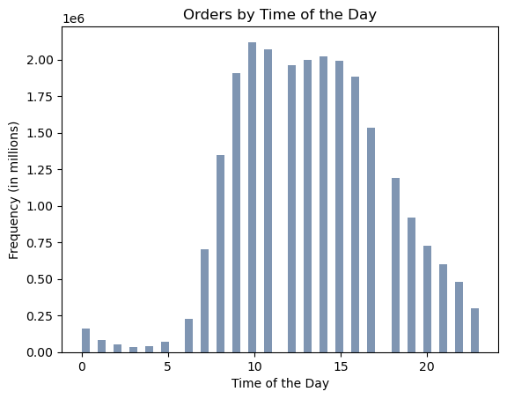

 | Key Question 2 | The particular times of the day when people spend the most money
 | Commentary: the highest-priced products are purchased at around 4 am, 6 am and 5 pm.

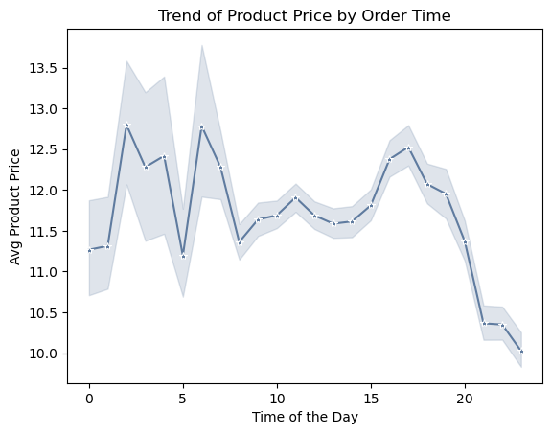

 | Key Question 3 |  | Price range groupings
 | Commentary: as shown by the prices distribution histogram, most of Instacart's products (98.7%) are priced less than $15. Products with prices greater than $15 can be considered high-range products, while the ones with prices between $15 and $5 can be grouped as mid-range, and the ones sold for less than $5 low-range.


 |  |  |  | % of total
 | Mid-range product |  | 16479445 | 67.5%
 | Low-range product |  | 7626745 | 31.2%
 | High-range product |  | 308687 | 1.3%
 |  | Sum | 24414877
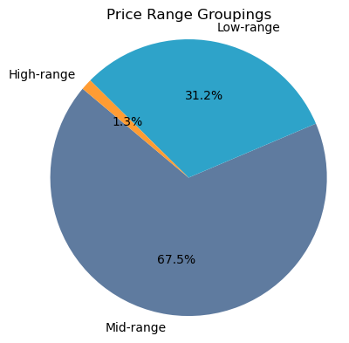

 | Key Question 4 |  | Departments with the highest frequency of product orders
 | Commentary: produce is the most popular department, followed by diary eggs, snacks, beverages and frozen. The top 10 most favourite products belong all to the "produce" department, except for the product "Organic Whole Milk", belonging to the "diary eggs" department.

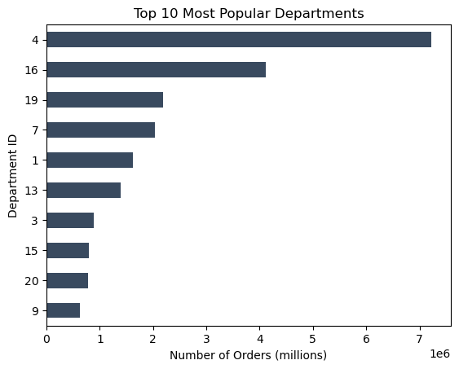
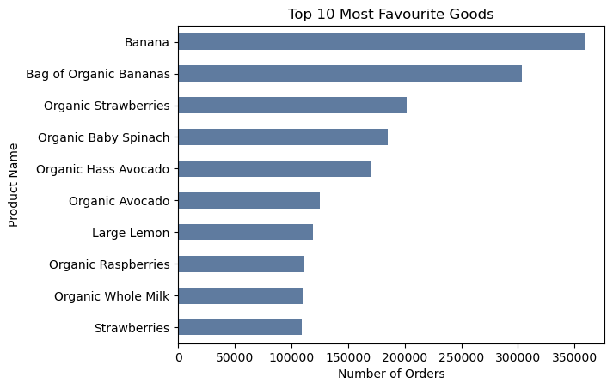

 | Key Question 5 |  | Distribution of brand loyalty
 | Commentary: 52% of Instacart customers are regular customers, who completed between 10 and 40 orders. Loyal customers completed more than 40 orders, and comprise of 39% of total customers. New customers are 9% of the total and did less than 10 orders. Low-income young adult, low-mid-clas young adult and upper-class senior are the top 3 most loyal customer profiles.

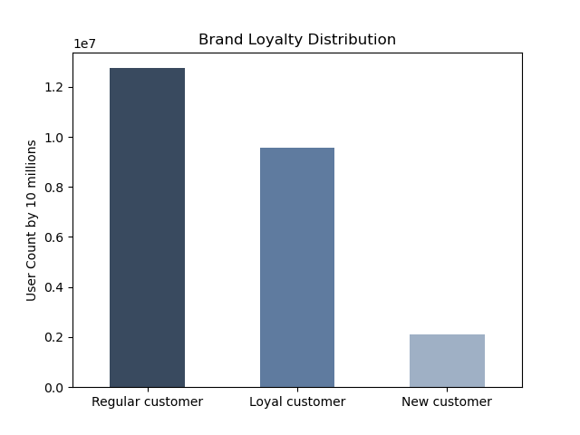
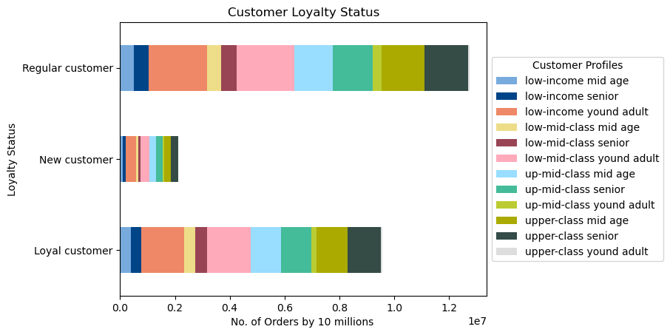

 |  |  |  |  |  | Regular customer | 12,744,558 | 52%
 |  |  |  |  |  | Loyal customer | 9,555,491 | 39%
 |  |  |  |  |  | New customer | 2,114,828 | 9%
 |  |  |  |  |  |  | 24,414,877 | 100%

 |  |  |  |  |  |  | Column Labels
 |  |  |  |  |  | Values | Loyal customer | Grand Total
 |  |  |  |  |  | Sum of low-income mid age | 392,756 | 392756
 |  |  |  |  |  | Sum of low-income senior | 372,099 | 372099
 |  |  |  |  |  | Sum of low-income yound adult | 1,579,011 | 1579011
 |  |  |  |  |  | Sum of low-mid-class mid age | 397,499 | 397499
 |  |  |  |  |  | Sum of low-mid-class senior | 435,601 | 435601
 |  |  |  |  |  | Sum of low-mid-class yound adult | 1,586,891 | 1586891
 |  |  |  |  |  | Sum of up-mid-class mid age | 1,110,182 | 1110182
 |  |  |  |  |  | Sum of up-mid-class senior | 1,104,575 | 1104575
 |  |  |  |  |  | Sum of up-mid-class yound adult | 197,324 | 197324
 |  |  |  |  |  | Sum of upper-class mid age | 1,114,751 | 1114751
 |  |  |  |  |  | Sum of upper-class senior | 1,214,036 | 1214036
 |  |  |  |  |  | Sum of upper-class yound adult | 50,766 | 50766

 | Key Question 6 |  | Ordering habits based on customer´s loyalty status
 | Commentary: regular and loyal customers have the highest presence on the platform, and they tend to be low-spender (avg product price less than $10), frequent (less than 10 days between orders), high-activity (more than 5 total orders) customers. On the other hand, new customers tend to place fewer orders and less frequently.

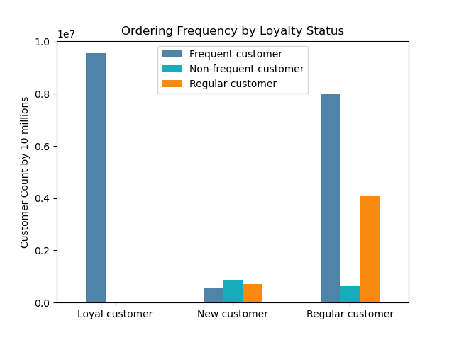
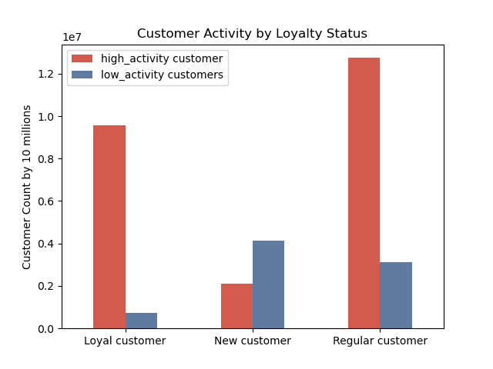
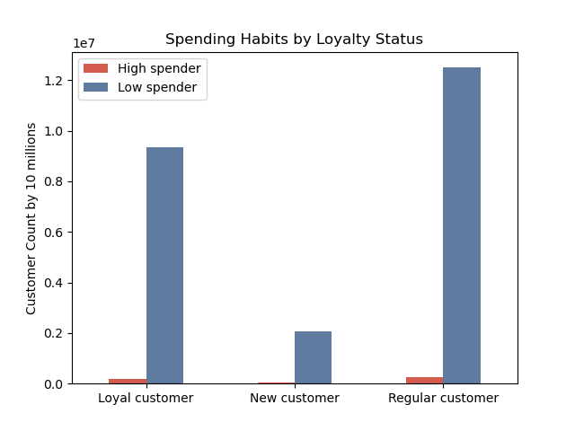

 | Key Question 7 |  | Ordering habits based on customer´s region
 | Commentary: the majority of Instacart's customers come from the South, followed by West, Midwest, and Northeast. Irrespective of the region, customers tend to complete between 10 and 40 total orders, with an average product price less than $10, and with a frequency of less than 10 days until the next order. Low-income young adult, low-mid-class young adult and upper-class senior are the most common customer profiles among all regions. The distribution of customer profiles is very similar in all four regions.

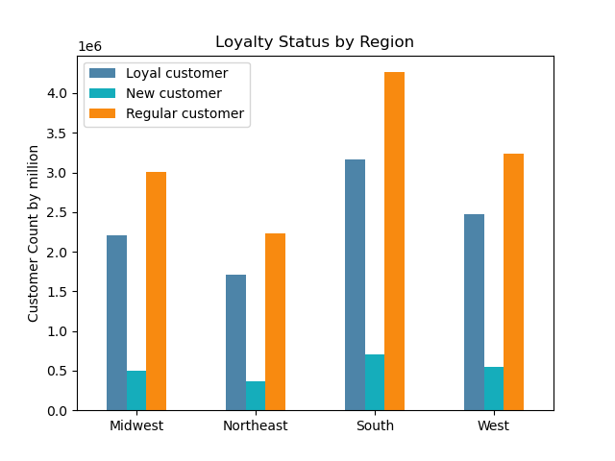
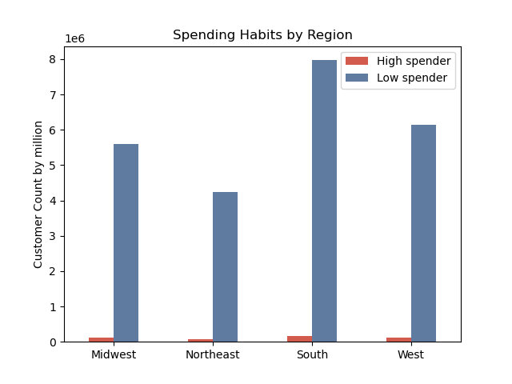
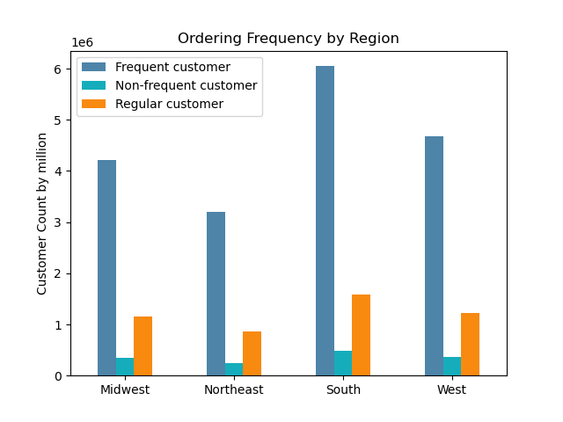

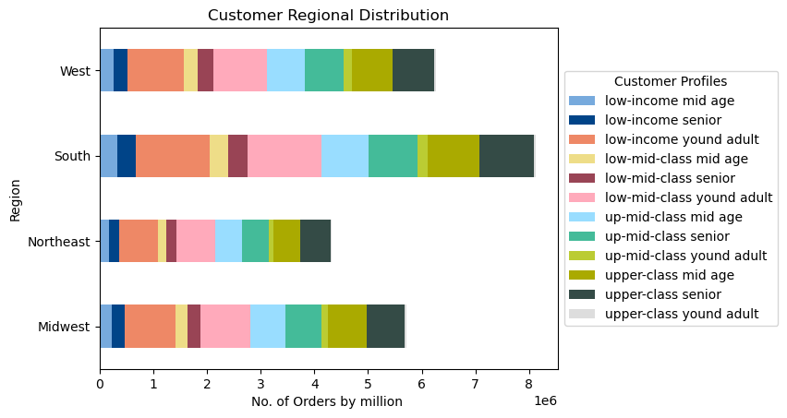

 | Key Question 8 |  | Ordering habits based on age and family status
 | Commentary: the scatterplot displays a correlation between age and income. Customers over 40 seem to have the strongest spending power compared to those under 40. When it comes to loyalty status, spending habits and ordering frequency, no significant patterns are observed among different categories based on age and family status. Nevertheless, young adults and married couples are predominant among Instacart's customers.

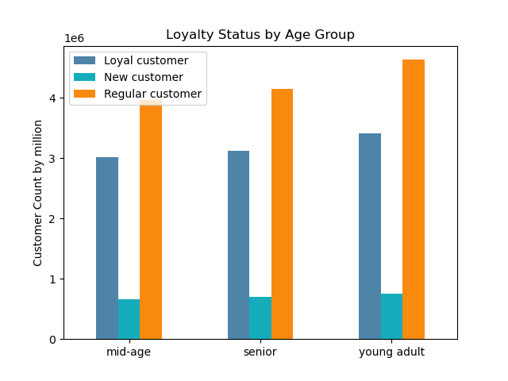
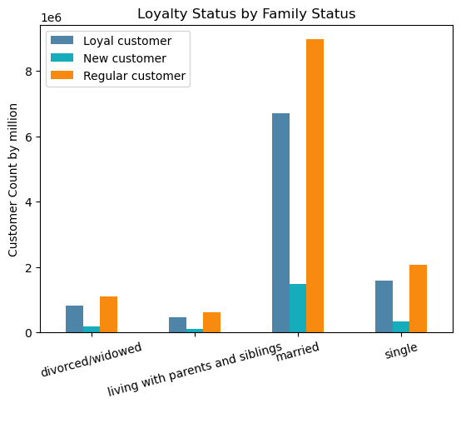

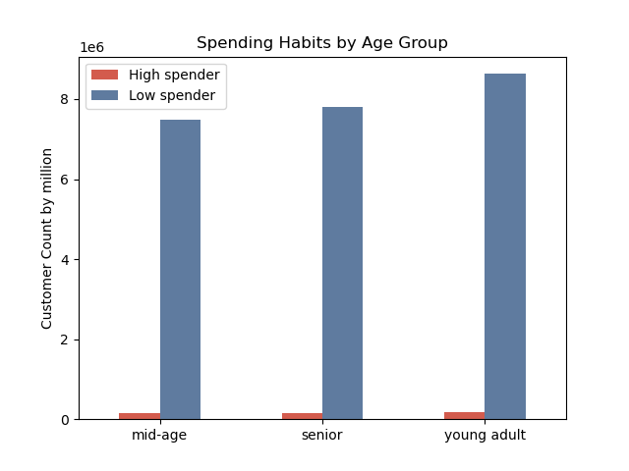

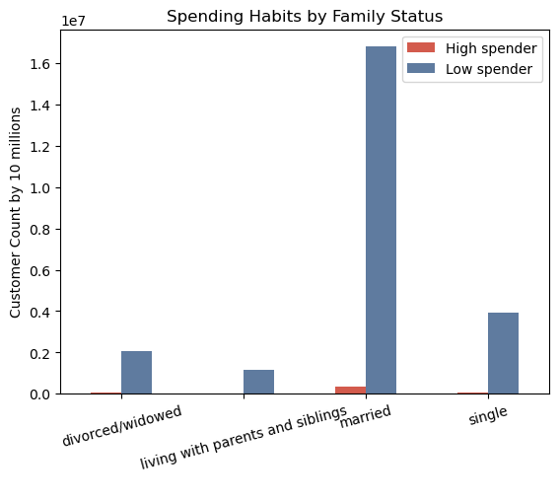

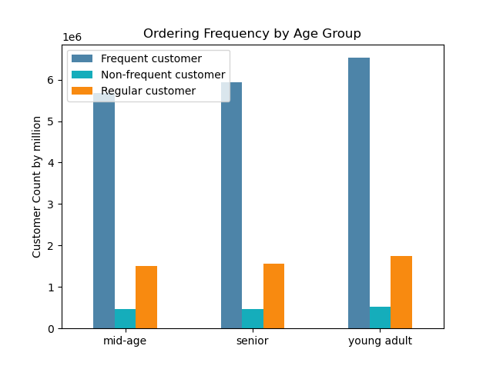
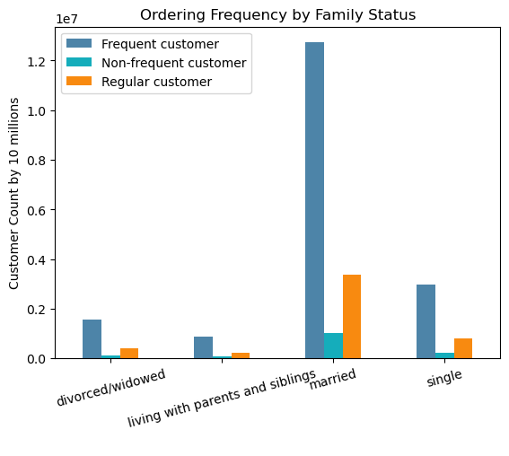

 | Key Question 9 |  | Different classifications based on demographic outlook
 | Commentary: based on age groups, customers are almost equally distrubuted. Nevertheless, young adults have the highest percentage: 36%. According to the number of dependants, 75% of Instacart's customers have 1 up to 3 dependants. According to income range, 50% of the customers have an income lower or equal to $96,836.

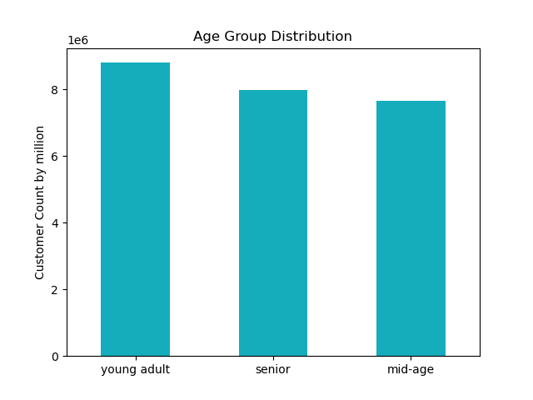
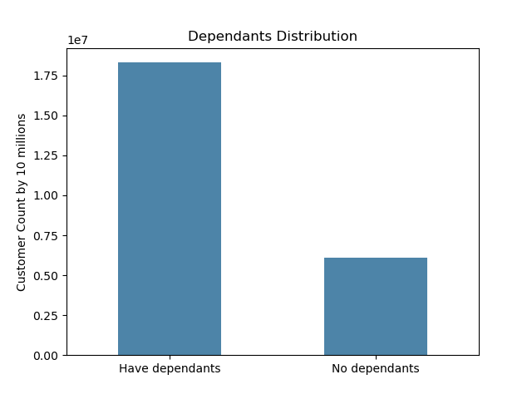

age_group
young adult |  | 36%
senior |  | 33%
mid-age |  | 31%
total |  | 24414877

dependants_group
Have dependants |  | 75%
No dependants |  | 25%
total |  | 24414877

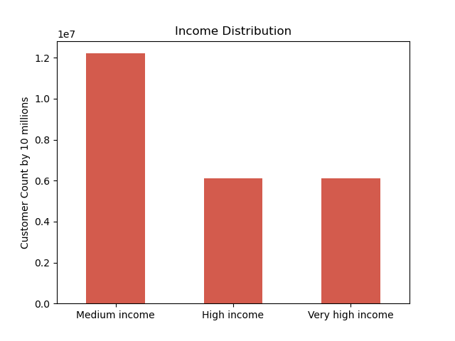

income_group
Medium income |  | 50%
High income |  | 25%
Very high income |  | 25%

 | Key Question 10 |  | Ordering habits of different customer profiles
 | Commentary: low-income young adult and low-mid-class young adult are the most common customer profiles on Instacart, followed by upper-class senior. These are also the customers who order with the highest frequncy on the platform. There is a high fluctuation in no. of dependants through all ages, therefore no clear correlation exists between these two variables.

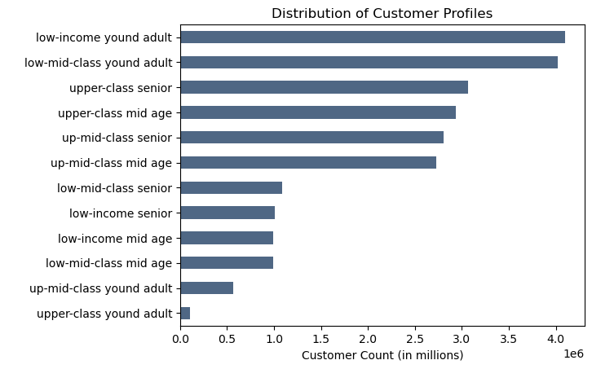
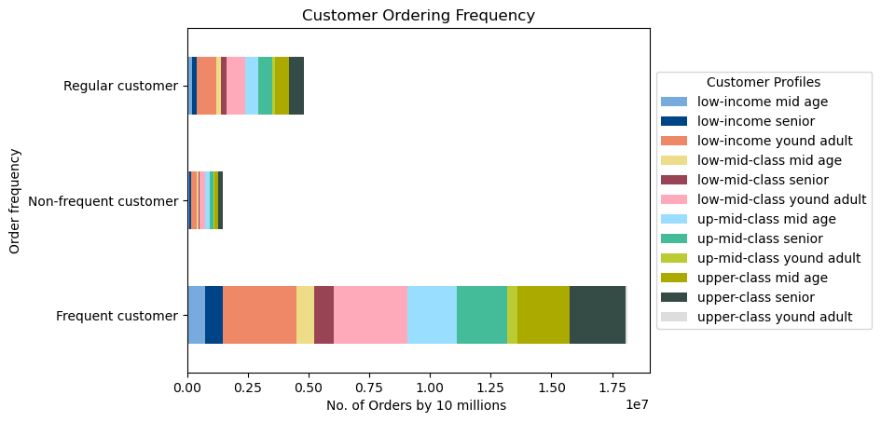



 | Commentary: products with mid-range price are the most ordered among all the customer profiles. Low-range products are ordered close to 50% of mid-range products. High-range products are ordered the least by the customers. The vast majority of customers are low-spender, meaning the average product price they put in their cart is less than $10.

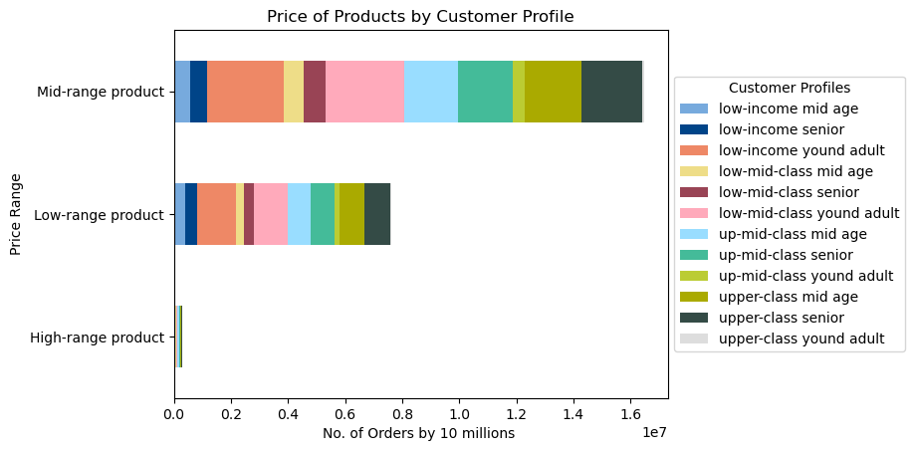
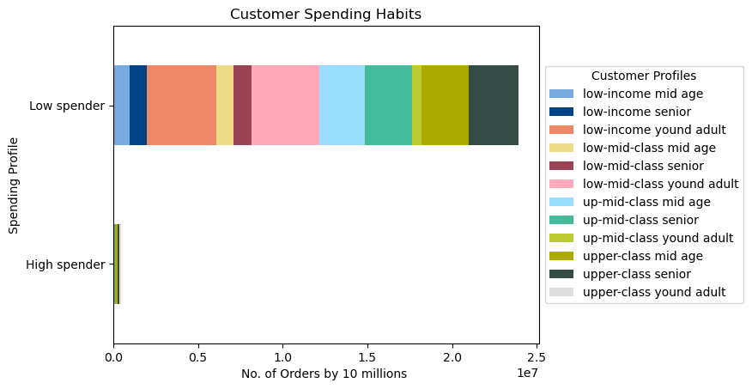

 | Commentary: the top 10 most purchased goods show an equal distribution among all customer profiles.

7. Recommendations
 |  | Title page

Recommendations

Question | Answer
Key Question 1 | Most orders are placed on Saturdays and Sundays, between 9 am and 4 pm, with a peak of sales at 10 am.
 | Recommendation: schedule most of the ads on Tuesdays and Wednesdays, which are the least busy days. Ads could be scheduled on Mondays, Thursdays and Fridays as well. The best times for ads would be evening and early morning.
Key Question 2 | Customers spend the most money at around 4 am, 6 am and 5 pm. The most purchased goods are produce, diary and eggs, snacks, beverages and frozen.
 | Recommendation: run ads on variety of most purchased items during early mornings between 3 am and 7 am.
Key Question 3 | Most of Instacart's products (98.7%) are priced less than $15. Products with prices greater than $15 can be considered high-range products, while the ones with prices between $15 and $5 can be grouped as mid-range, and the ones sold for less than $5 as low-range.
Key Question 4 | Produce is the department with the highest frequency of product orders, followed by diary eggs, snacks, beverages and frozen.
 | Recommendation: continue to keep up the competitve prices, quality and quantity of high selling products.
Key Question 5 | 52% of Instacart customers are regular customers, who completed between 10 and 40 orders. Loyal customers completed more than 40 orders, and comprise of 39% of total customers. New customers are 9% of the total and did less than 10 orders. Low-income young adult, low-mid-clas young adult and upper-class senior are the top 3 returning customer categories.
 | Recommendation: since regular and loyal customers comprise a significant portion of Instacart's customer base, it's essential to focus on retaining and engaging them further. Offering loyalty rewards, exclusive discounts, or personalized recommendations based on their past orders can help in strengthening their loyalty.
Key Question 6 | Regular and loyal customers have the highest presence on the platform, and they tend to be low-spender (avg product price less than $10), frequent (less than 10 days between orders), high-activity (more than 5 total orders) customers. On the other hand, new customers tend to place fewer orders and less frequently.
 | Recommendation: since the majority of customers are low-spenders but high in activity, optimize the product offerings and promotions to cater to their preferences. Highlighting affordable options, bundle deals, and discounts on frequently purchased items can encourage more frequent purchases from this segment.
 | While new customers are a smaller segment, they represent an opportunity for growth. Implementing targeted marketing campaigns to attract new users, such as promotional offers for first-time orders or referral incentives, can help in acquiring and converting more new customers.
Key Question 7 | The majority of Instacart's customers come from the South, followed by West, Midwest, and Northeast. Irrespective of the region, customers tend to complete between 10 and 40 total orders, with an average product price less than $10, and with a frequency of less than 10 days until the next order. Low-income young adult, low-mid-class young adult and upper-class senior are the most common customer profiles among all regions. The distribution of customer profiles is very similar in all four regions.
 | Recommendation: considering the majority of customers are from the South, the marketing efforts should be tailored to this region. Understanding regional preferences and cultural nuances can aid in creating targeted campaigns that resonate with customers in each area.
Key Question 8 | Customers over 40 seem to have the strongest spending power compared to those under 40. When it comes to loyalty status, spending habits and ordering frequency, no significant patterns are observed among different categories based on age and family status. Nevertheless, young adults and married couples are predominant among Instacart's customers.
Key Question 9 | Based on age groups, customers are almost equally distrubuted. Nevertheless, young adults have the highest percentage: 36%. According to the number of dependants, 75% of Instacart's customers have 1 up to 3 dependants. According to income range, 50% of the customers have an income lower or equal to $96,836.
 | Recommendation: provide educational content or guides on how to make the most out of Instacart's services, including tips on budget-friendly shopping, meal planning, and utilizing loyalty rewards. Engage customers through email newsletters, social media, or in-app notifications to keep them informed and involved.
Key Question 10 | Low-income young adult and low-mid-class young adult are the most common customer profiles on Instacart, followed by upper-class senior. These are also the customers who order with the highest frequncy on the platform. There is a high fluctuation in no. of dependants through all ages, therefore no clear correlation exists between these two variables.
 | Products with mid-range price are the most ordered among all the customer profiles. Low-range products are ordered close to 50% of mid-range products. High-range products are ordered the least by the customers. The vast majority of customers are low-spender, meaning the average product price they put in their cart is less than $10.
 | Recommendation: given that products with mid-range prices are the most ordered, while high-range products are ordered the least, consider adjusting the product assortment and pricing strategy accordingly. Emphasize promotions and discounts on mid-range products to encourage more purchases from customers across different profiles.
 | Different customer profiles tend to purchase the same products from the same departments in equal proportions.

 | Final recommendation: regularly monitor customer feedback, market trends, and competitor activities to adapt and evolve marketing and sales strategies accordingly. Stay agile and responsive to changes in customer preferences and market dynamics to maintain a competitive edge in the online grocery shopping landscape.

8. Data citation
 | Title page

Data Citation

The data used for this analysis comes from Kaggle “The Instacart Online Grocery Shopping Dataset 2017”

https://www.kaggle.com/datasets/psparks/instacart-market-basket-analysis

NOTE: The customer data, as wells as the "prices" column in the products data set, were both fabricated for learning purposes.

